READ ME Introduction
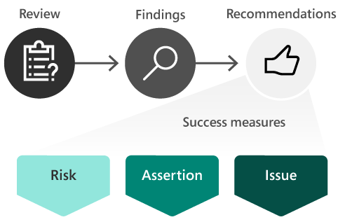
Tracking Success Measures
Fundamental to Success by Design, FastTrack recommends tracking your project’s health across 7 categories and 30+ standard measures
Project leaders should make it part of their governance process to record the health of their project using the success measures tracking worksheet – weekly, bi-weekly, monthly or whatever cadence makes sense to the project team.
Tracking success measures your project allows key stakeholders to assess the overall health of the project and offers insight into project risks that may require action to mitigate.
To remove cell instructions:
1. Select the column and go to Data > Data Validation.
2. Select the Input Message tab, and unselect Show input message.

Success Measures
To remove cell instructions:
1. Select the column and go to Data > Data Validation.
2. Select the Input Message tab, and unselect Show input message.
Success Measure Tracking
Project Name:
Recorded by:
Date:

Rating | Category | Success Measure | Risk | Mitigation Action | Owner | Due by:
Healthy
Area of Concern
Needs immediate action
Not applicable

